Reconcile
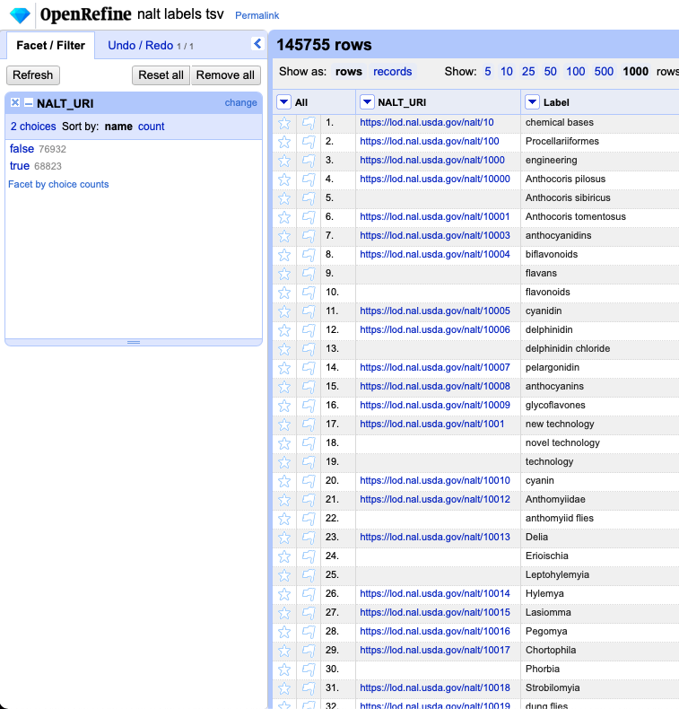
145,755
https://guides.library.illinois.edu/openrefine/duplicates
 |  | I removed a total of 68,823 rows….
 |  | But, after they were removed, CSV-reconcile worked….But, this method only allowed me to reconcile 505 of the terms in beta prepared - with so many missing rows, there could obviously be more possibilities to reconcile the other 403 terms in beta prepared....

So, I found the notebook that created the nalt_label.csv and .tsv files and noticed the preflabel and the altlabels were being collected to create the files….and so because of this there are duplicate URI's in the nalt_uri column....which unfortunately causes an issue with CSV-reconcile service….so I edited toms script a little to create a nalt_preflabel.tsv and a nalt_altlabel.tsv

I tried to run the reconciliation on the nalt_preflabel.tsv first but it wasn’t going through for the same reason the original file wasn’t going through at first - duplicates….so I checked for duplicates in each of the new tsv files using open refine…..
There were no duplicates in the nalt preflabel.tsv - which is expected because according to SKOS primer preflabels should be unique. There can be one preflabel but in different languages
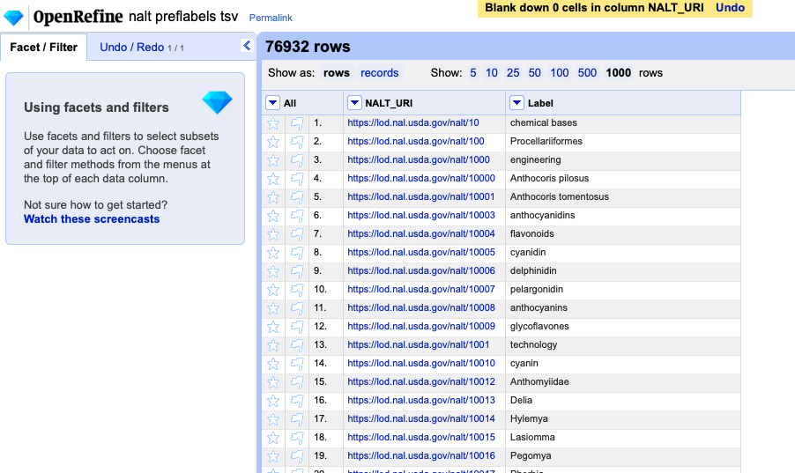

 |  |  | So, using the nalt_preflabels.tsv as the database to reconcile the betaprepared.tsv too resulted in 739 of the 908 terms being able to be reconciled…which is better than the 505 terms when I used the nalt_labels_nodups.tsv as the database.

But, there were 37,105 repeated URI's in the nalt altlabel.csv
So, I removed those…in order to test the file with the service
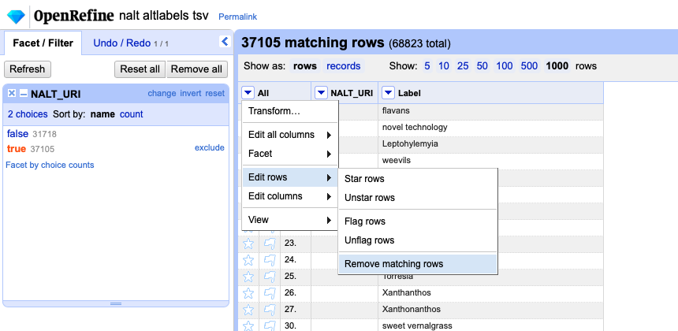
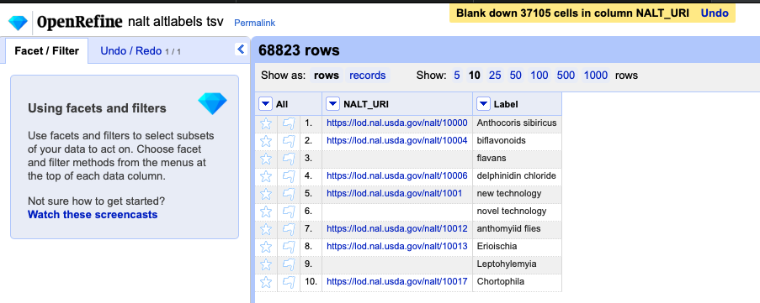

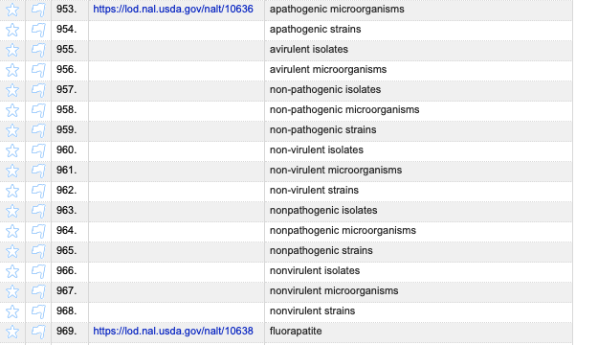
So, this isnt a perfect solution yet, but removing 37k instead of 68k rows is a little better
I guess altlabels are like the synonyms of the skos model…so I could just separate those further
Only issue is, some concepts have 5+ altlabels so It seems impractical to divi this file up so much…need to find a solution that minimizes the reconciliation process and/ or number of files that I have to use to do this

 | exhibit 54321
 | 16 alt labels!!!
 | hahahahaha

